N-APS with FRV-N-APS
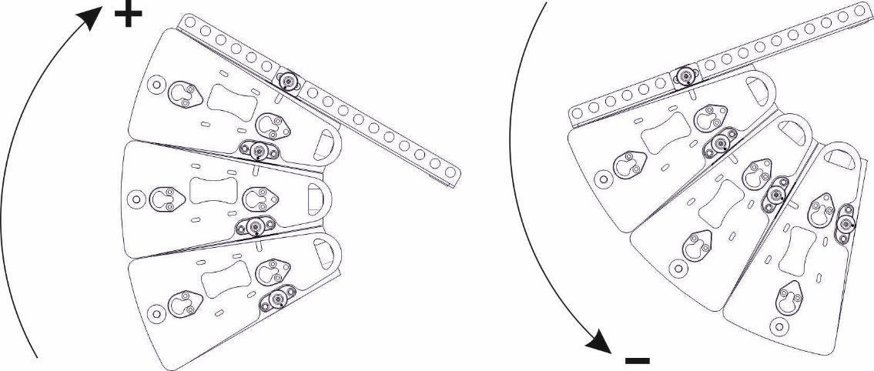
 |  |  | Weight total: | 21 |  | kg |  | Total weight includes: N-APS, FRV-N-APS ( 3.3 kg), Main LS Cables (5 kg)
 | 2 motors, kg | front motor |  |  |  |  |  |  |  |  |  |  |  |  |  |  |  |  | rear motor
 |  | 14 |  |  |  |  |  |  |  |  |  |  |  |  |  |  |  | 6

 | 1 motor- 2 points | 1 | 0 | 0 | 0 | 0 | 0 | 0 | 0 | 0 | 0 | 9 | 0 | 0 | 0 | 0 | 0 | 0 | 0

 | 1 motor - 1 point |  |  |  |  |  | 6

enter the angle of frame FRV-N-APS

0

enter the number of N-APS cabinets from 1 up to 6

1

N-SUB+N-APS with FRV-N-APS
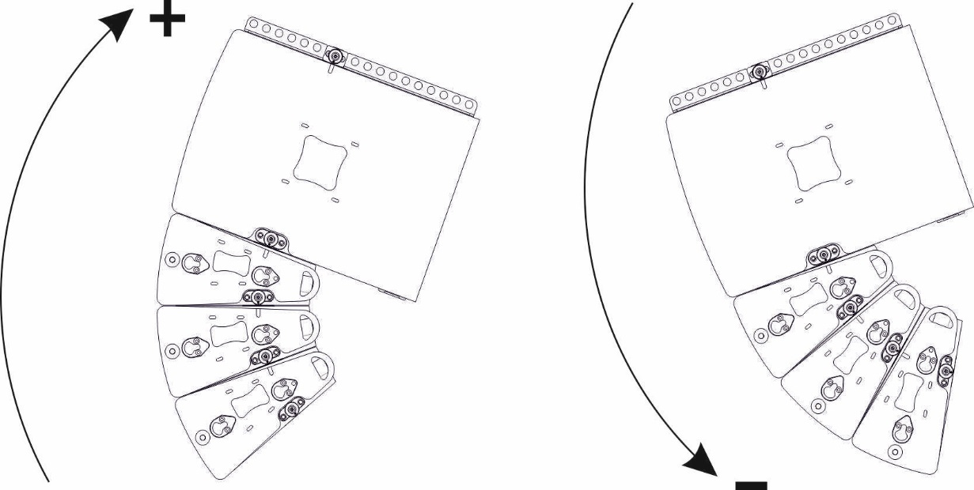
 |  |  | Weight total: | 49 |  | kg |  | Total weight includes: N-SUB, N-APS, FRV-N-APS ( 3.3 kg), Main LS Cables (5 kg)
 | 2 motors, kg | front motor |  |  |  |  |  |  |  |  |  |  |  |  |  |  |  |  | rear motor
 |  | 30 |  |  |  |  |  |  |  |  |  |  |  |  |  |  |  | 19

 | 1 motor- 2 points | 1 | 0 | 0 | 0 | 0 | 0 | 0 | 0 | 0 | 0 | 0 | 0 | 0 | 0 | 13 | 0 | 0 | 0

 | 1 motor - 1 point |  |  |  |  |  |  |  | X

enter the angle of frame FRV-N-APS

0

enter the number of N-SUB cabinets from 1 up to 3
1

enter the number of N-APS cabinets from 1 up to 4
1

N-APS+N-SUB+N-APS with FRV-NAPS
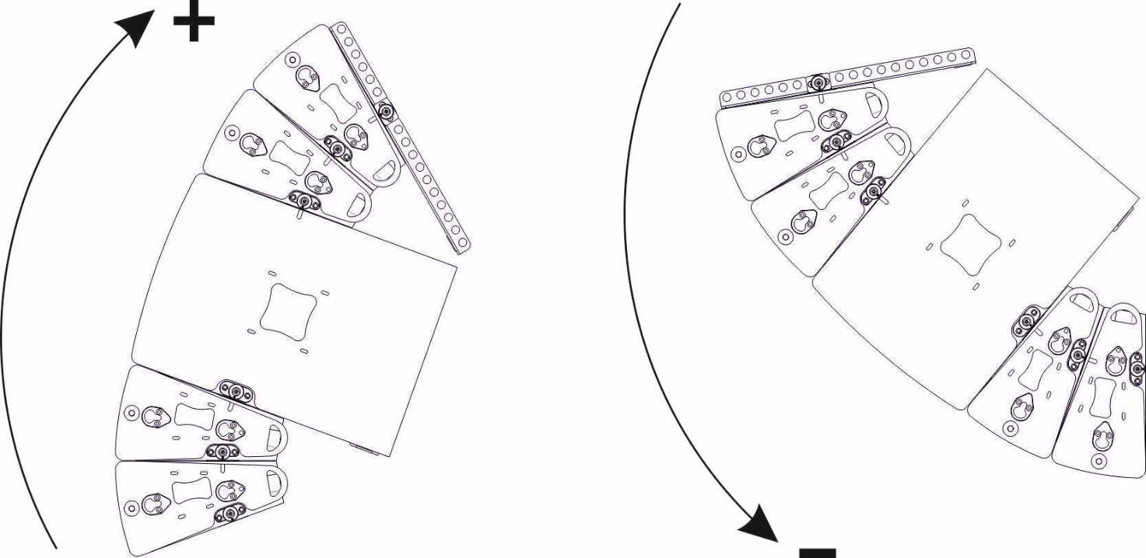
 |  |  | Weight total: | 61 |  | kg |  | Total weight includes: N-APS, N-SUB, FRV-N-APS ( 3.3 kg), Main LS Cables (5 kg)
 | 2 motors, kg | front motor |  |  |  |  |  |  |  |  |  |  |  |  |  |  |  |  | rear motor
 |  | 29 |  |  |  |  |  |  |  |  |  |  |  |  |  |  |  | 32

 | 1 motor- 2 points | 0 | 2 | 0 | 0 | 0 | 0 | 0 | 0 | 0 | 0 | 0 | 0 | 0 | 0 | 0 | 0 | 0 | 16

 | 1 motor - 1 point |  |  |  |  |  |  |  |  |  | 8

enter the angle of frame FRV-N-APS

0

enter the number of N-APS cabinets from 1 up to 3
1

enter the number of N-SUB cabinets from 1 up to 3
1

enter the number of N-APS cabinets from 1 up to 3
1

N-APS with FRH-N-APS
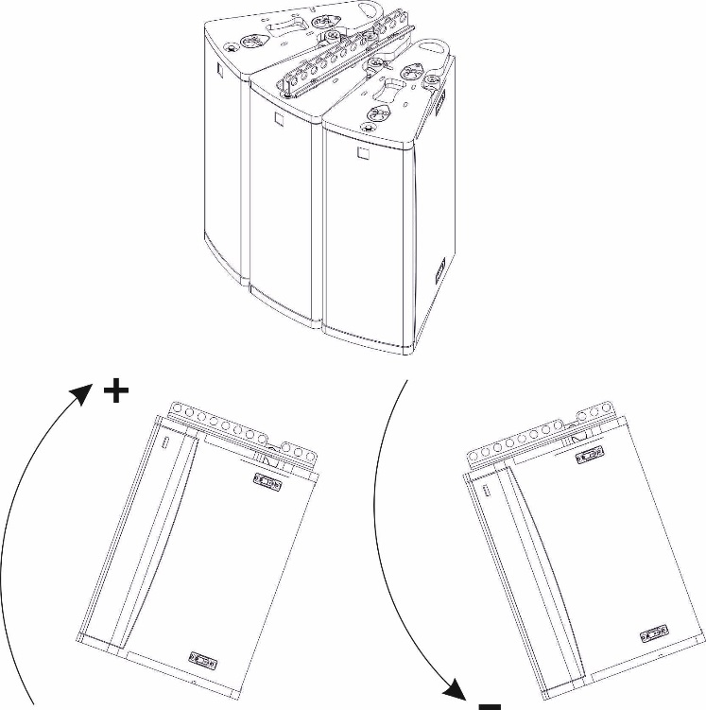
 | Weight total: | 43 | kg | Total weight includes: 3xN-APS, FRH-N-APS ( 1.0 kg), Main LS Cables (5 kg)

 | 2 motors, kg | front motor |  |  |  |  |  |  |  |  |  |  | rear motor
 |  | 23 |  |  |  |  |  |  |  |  |  | 19

 | 1 motor- 2 points | 1 | 0 | 0 | 0 | 0 | 0 | 0 | 0 | 0 | 0 | 10 | 0

 | 1 motor - 1 point |  |  |  |  |  | 6

enter the angle of frame FRH-N-APS
0
3x N-APS

